key data overview
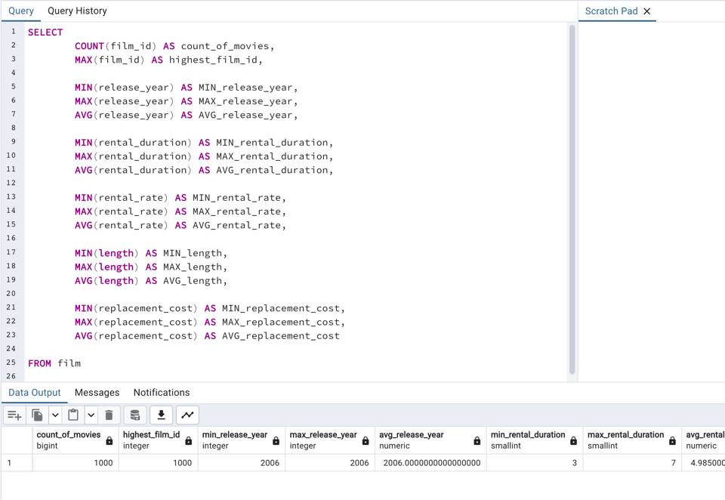
count_of_movies | highest_film_id | min_release_year | max_release_year | avg_release_year | min_rental_duration | max_rental_duration | avg_rental_duration | min_rental_rate | max_rental_rate | avg_rental_rate | min_length | max_length | avg_length | min_replacement_cost | max_replacement_cost | avg_replacement_cost
1000 | 1000 | 2006 | 2006 | 2006 | 3 | 7 | 4.985 | 0.99 | 4.99 | 2.98 | 46 | 185 | 115.272 | 9.99 | 29.99 | 19.984

